Sheet1
DATE | INV.NO | DESCRIPTION | QTY | BILLS | PRICE | SUBTOTAL | TOTAL | TOTAL AFTER TAX
2002-10-26 | 34 | Cheese-spinach dumplings | 1 | 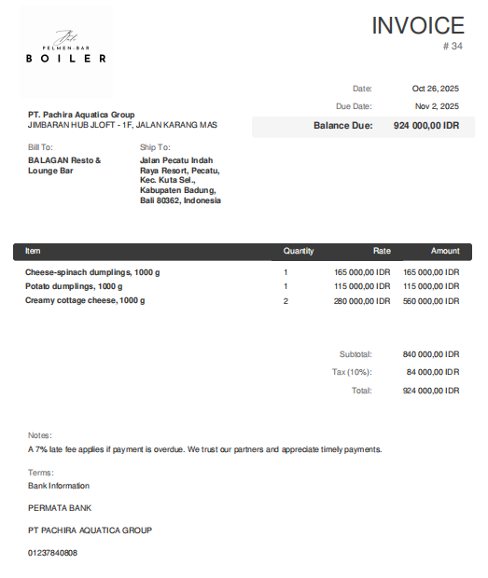 | Rp165,000 | Rp165,000 | Rp840,000 | Rp924,000
 |  | Potato dumplings | 1 |  | Rp115,000 | Rp115,000
 |  | Creamy cottage cheese | 2 |  | Rp280,000 | Rp560,000
TOTAL |  |  |  | Rp924,000

